PCB Details
 |  |  |  |  |  |  |  |  |  |  |  |  |  |  | Request For Quote: PCB Details
Part Information |  |  |  | Board Specifications |  |  |  |  |  |  |  |  |  | Board Dimensions |  |  | Panel Details |  |  |  |  | Usage |  |  |  | Cost Information |  |  | Other
Program | PCA # | PCB # | Description | PCB Type | Board Thickness (mm) | Number of Layers | Copper Thickness (μm) | Board Etcher | PCB Material Manufacturer | Base | Board Material / Laminate | Board Finish | Solder Resist Color | Board X (mm) | Board Y (mm) | Board Area (mm^2) | Panel X (mm) | Panel Y (mm) | Panel Area (mm^2) | Boards per Panel | Handedness | Lifetime Unit Quantity | Lifetime Panel Area (m^2) | Avg. Monthly Unit Volume | Panel Area per Month (m^2) | Unit Cost per Board | Area Cost ($/m^2) | Total Cost for Program | EMS Comment
J34A | 10009-8N027 | 10059-8N027 | PCB A | MCB | 1.6 | 1 | 70 |  |  |  |  | OSP | Black | 35.2 | 53.0 | 1865.6 |  |  |  |  |  | 879,778 | Missing Panel Details | 25,830.06 |  |  |  | $-
J34A | 10009-8N027 |  |  |  |  |  |  |  |  |  |  |  |  |  |  |  |  |  |  |  |  |  |  | Missing Data
J34A | 10009-8N027 |  |  |  |  |  |  |  |  |  |  |  |  |  |  |  |  |  |  |  |  |  |  | Missing Data
J34A | 10009-8N027 |  |  |  |  |  |  |  |  |  |  |  |  |  |  |  |  |  |  |  |  |  |  | Missing Data
J34A | 10009-8N027 |  |  |  |  |  |  |  |  |  |  |  |  |  |  |  |  |  |  |  |  |  |  | Missing Data
J34A | 10009-8N027 |  |  |  |  |  |  |  |  |  |  |  |  |  |  |  |  |  |  |  |  |  |  | Missing Data
FR-4 Example | 100AX-VWXYZ | 100BX-VWXYZ | PCB A | FR-4 | 1.6 | 2 | 35 | Kyosha | Sumitomo | FR-4 | ELC-4765 | OSP | White | 136.0 | 57.8 | 7860.8 | 215.7 | 273.9 | 59090.6 | 8 | BOTH | 100,000 | 738.63 | 2,083 | 15.39 | $0.65 | $88.00 | $65,000.00 | None
MCB Example | 100CX-VWXYZ | 100DX-VWXYZ | PCB B | MCB | 1.6 | 1 | 70 | Kyosha | Ventec | AL 4045/4047 | VT-4B5L | OSP | White | 136.0 | 57.8 | 7860.8 | 136.0 | 57.8 | 7860.8 | 1 | BOTH | 100,000 | 786.08 | 2,083 | 16.38 | $1.10 | $139.93 | $110,000.00 | None

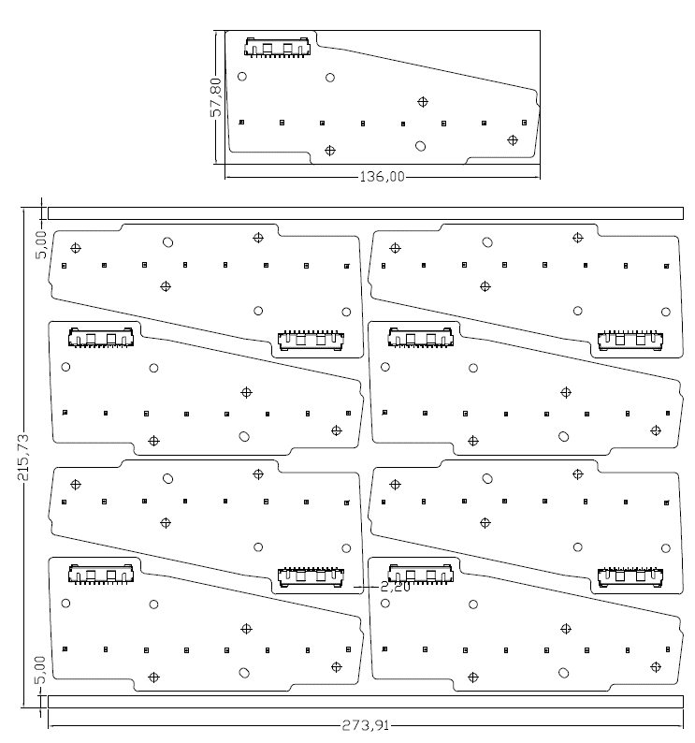
 | NAL Approved PCB Materials |  |  |  |  |  |  |  |  |  |  |  |  | Panelization Diagram: |  | Example |  |  |  | Panelization Diagram: |  | EMS Proposed
 | FR-4 |  | AL 4045/4047 |  | AL 5052
 | Panasonic | R1566/R1566W | Denka | HS-1 | Meiko | L3TV
 | Panasonic | R1705 | Denka | RN-2 | Sumitomo | ALC1333
 | Panasonic | R1766/R1766GH | Denka | EL-1 | Ventec | VT-4B5L
 | Panasonic | R-1755E | Denka | R-1 | Wazam | HA88 E2
 | Sumitomo | ELC-4762 | NHK | AG
 | Sumitomo | ELC-4765 | NHK | ATF
 | Sumitomo | ELC-4768DS | NHK | AB
 | Nikkan | L-6504C2 | NHK | ATM
 | Nikkan | L-6504C2(UV) | Meiko | L3TV
 | Shengyi | S1000H | Sumitomo | ALC1333
 | Nanya | NP-155F | Risho Kogyo | AC-7302
 | Nanya | NP-140TL | Ventec | VT-4B5L
 | Nanya | FR-4-86 | Ventec | VT-4B3
 | Nanya | FR-4-86 (UV) | Wazam | HA88 E2
 | Kingboard | KB-6165F
 | Kingboard | KB-6164F

Terms and Conditions
RFQ Incomplete: Review the Checklist on the Summary Page
The purpose of this document is to define specific terms of purchase and sale (including specific responsibilities and related obligations between North American Lighting (NAL) and 1234 (The Supplier).The Supplier has completed cost breakdown information that will be honored along with the below listed terms if the business is awarded. An NAL Purchasing Agent will sign and return this contract to award business to the Supplier, at which point all terms, conditions, and pricing must be met by the supplier.
Inco Terms:
Free Carrier Act (FCA) Title Transfer at Time of Pick-Up
Safety Stock:
Supplier is required to maintain a minimum of 20 working days of forecasted finished goods on hand at all times at U.S. Warehouse. Working days shall be calculated against NAL's Six Month Rolling Forecast. Pre-launch bank requirements are listed in the summary section of this contract.
Annual APR:
APR activity will be handled on a yearly basis starting in Q3 rather than within the quoting process for new projects. NAL’s target APR is no less than a 3% annual cost reduction for a minimum of three years. Target APR may increase or decrease based on annual spend changes and market conditions from year to year.
Packaging Requirements:
Supplier must meet packaging requirements outlined in the NAL SQAM Manual Section 16 located at www.nal.com
Capacity: Supplier shall install sufficient capacity to meet quoted annual volume amounts based on the required number of shifts and a 5 day week schedule. It is further understood that the Supplier is responsible to meet up to a 20% increase in volumes over those quoted in this agreement. This 20% is to be considered “peak volumes” and not an ongoing sustainable situation. Supplier will meet this obligation by running additional shifts on Saturday or Sunday to yield the additional 20%. If after 4 months, the volumes have not returned to normal quoted volumes, the parties will meet and review future forecasts to determine the potential need for additional tooling, equipment, or adjusted pricing, that allows the Supplier to return to a normal 5 day work week.
Asset Tags: Supplier shall make certain that either a customer asset tag or NAL asset tag is fixed to the tool if not supplier owned.
Purchasing Guidelines: Supplier understands and agrees that they will comply with the provisions of the Purchasing Guidelines. Manual can be found on NAL Website.
Quality: Supplier understands and agrees that they will comply with the provisions of the Supplier Quality Assurance Manual (SQAM). Manual can be found on NAL Website.
Tooling:
NAL will pay full tooling amount once supplier PPAP approved. SDOC page must be included with tooling invoice when submitted to ap_invoices@nal.com
Terms and Conditions: NAL Terms and Conditions shall apply. These Terms and Conditions are available for review on our website at www.nal.com or can be obtained by contacting the NAL Purchasing Department.
Supplier Representative | NAL Purchasing Representative
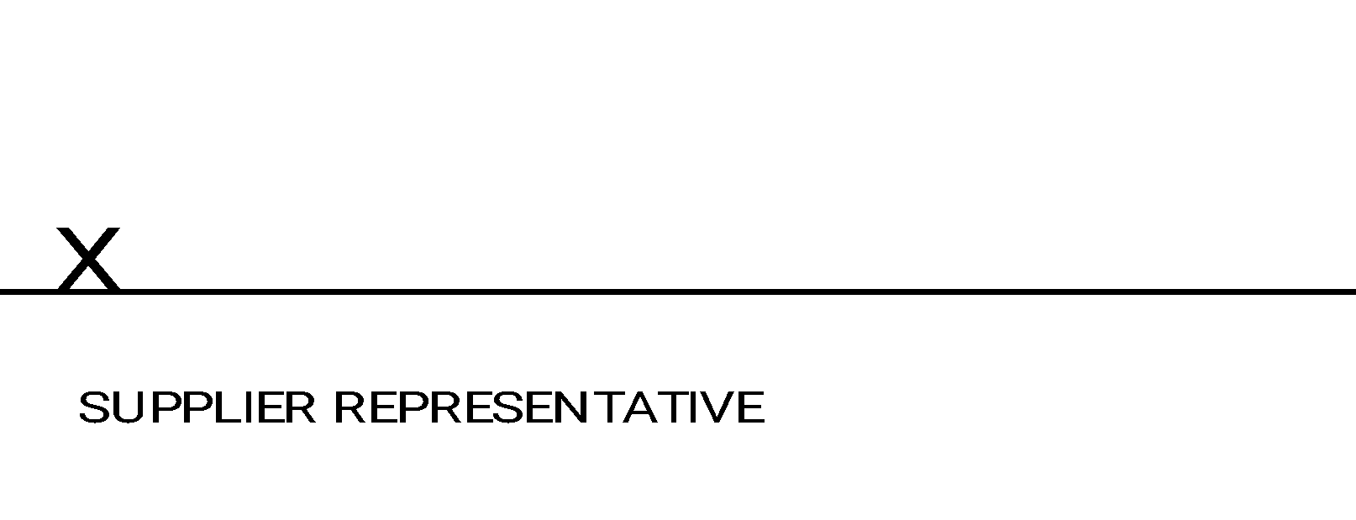 | 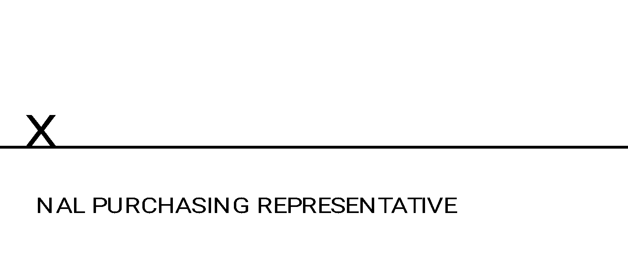
By signing, I understand and agree to the terms and conditions as listed above prior to submitting the RFQ. I have reviewed all pages of the RFQ document and will honor the terms if the business is awarded.

